Sheet1
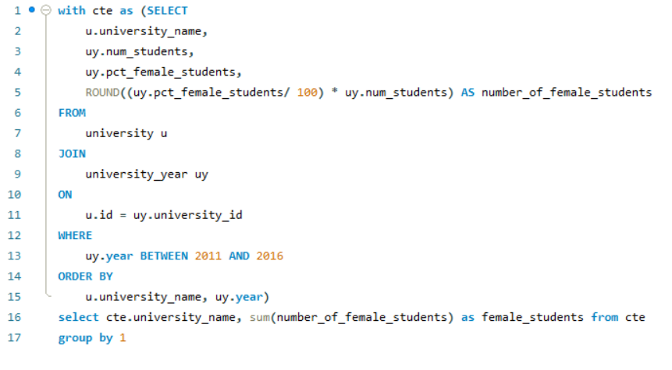
How does the number of female students differ among universities?

